Ball Bearings
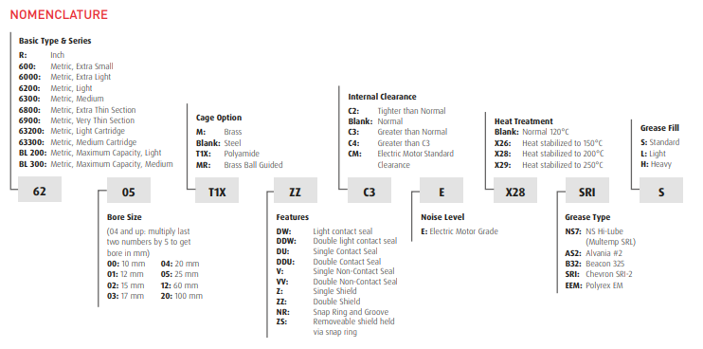
Ball Bearings – Over-the-Counter Identification Guide | Return to Contents
Audience: New counter staff / inside sales
Goal: Help identify the correct ball bearing type quickly and confidently when a customer brings in a bearing or describes an application.
1. What Is a Ball Bearing? (Plain Language)
A ball bearing uses round balls between an inner and outer ring to reduce friction. They are the most common bearing you will see at the counter.
If the rolling elements are round balls (not rollers or needles), you are almost always dealing with a ball bearing.
2. First 30‑Second Counter Check (Always Start Here)
Ask or check these in order:
1. Do you have the old bearing with you?
Yes → visual check + measure
No → ask application questions (see Section 6)
2. Are the rolling elements balls?
Yes → continue
No → not a ball bearing (needle / roller / taper)
3. Is it sealed, shielded, or open?
Rubber seal → sealed
Metal cover → shielded
Balls visible → open
3. Visual Identification – What to Look For
A. Sealed Ball Bearings
What you’ll see:
Black or colored rubber on one or both sides
Markings like: 2RS, 2RS1, LLU, DDU
Typical uses:
Electric motors
Conveyors
Farm & industrial equipment
Counter tip: If the customer says “it keeps dirt out” or “it failed because of dust/water”, they usually need sealed.
B. Shielded Ball Bearings
What you’ll see:
Thin metal covers pressed into the outer ring
Markings like: ZZ, Z, 2Z
Typical uses:
Cleaner environments
Higher speeds than sealed
Counter tip: If speed matters more than contamination protection, shielded is often correct.
C. Open Ball Bearings
What you’ll see:
Balls fully visible
No seals or shields
Typical uses:
Housings where lubrication is supplied externally
Older or specialized equipment
Warning: Open bearings require grease/oil. Do not substitute sealed without checking clearance.
4. Common Ball Bearing Types You’ll See OTC
Deep Groove Ball Bearings (MOST COMMON)
Single row
Deep raceways
Handles radial load + some thrust
If unsure, assume deep groove first.
Angular Contact Ball Bearings
One side raceway deeper than the other
Often installed in pairs
Clues:
Machine tools
Pumps
Higher thrust load
Counter note: Do not substitute deep groove without confirmation.
Miniature Ball Bearings
Very small OD
Used in instruments, small motors, tools
Tip: Customers often lose these and bring only dimensions.
5. Measuring the Bearing (Critical Skill)
Always measure in this order:
1. ID (Inside Diameter) – shaft size
2. OD (Outside Diameter) – housing size
3. Width
Rule:
Measurements + bearing type = correct bearing 90% of the time
6. If the Customer Does NOT Have the Bearing
Ask these questions:
What equipment is it from?
Is it electric motor related?
Indoor or outdoor use?
Does it see water, dust, or washdown?
Any part numbers from the machine?
Common translations:
“Motor bearing” → Deep groove, sealed
“Farm equipment” → Sealed, normal clearance
“High speed” → Shielded or special grease
7. Common Mistakes to Avoid
❌ Mixing up shielded vs sealed
❌ Ignoring width differences
❌ Replacing angular contact with deep groove
❌ Guessing without measurements
When in doubt: measure and slow down.
8. When to Escalate
Escalate to senior staff if:
Bearing is paired or directional
High heat or high speed involved
Machine tool or precision equipment
Customer reports repeated failures
9. Quick Confidence Check for New Staff
Before selling, confirm:
✔ Balls (not rollers)
✔ Correct ID / OD / width
✔ Correct seal/shield style
✔ Application makes sense
If all four are yes → proceed.

